Script
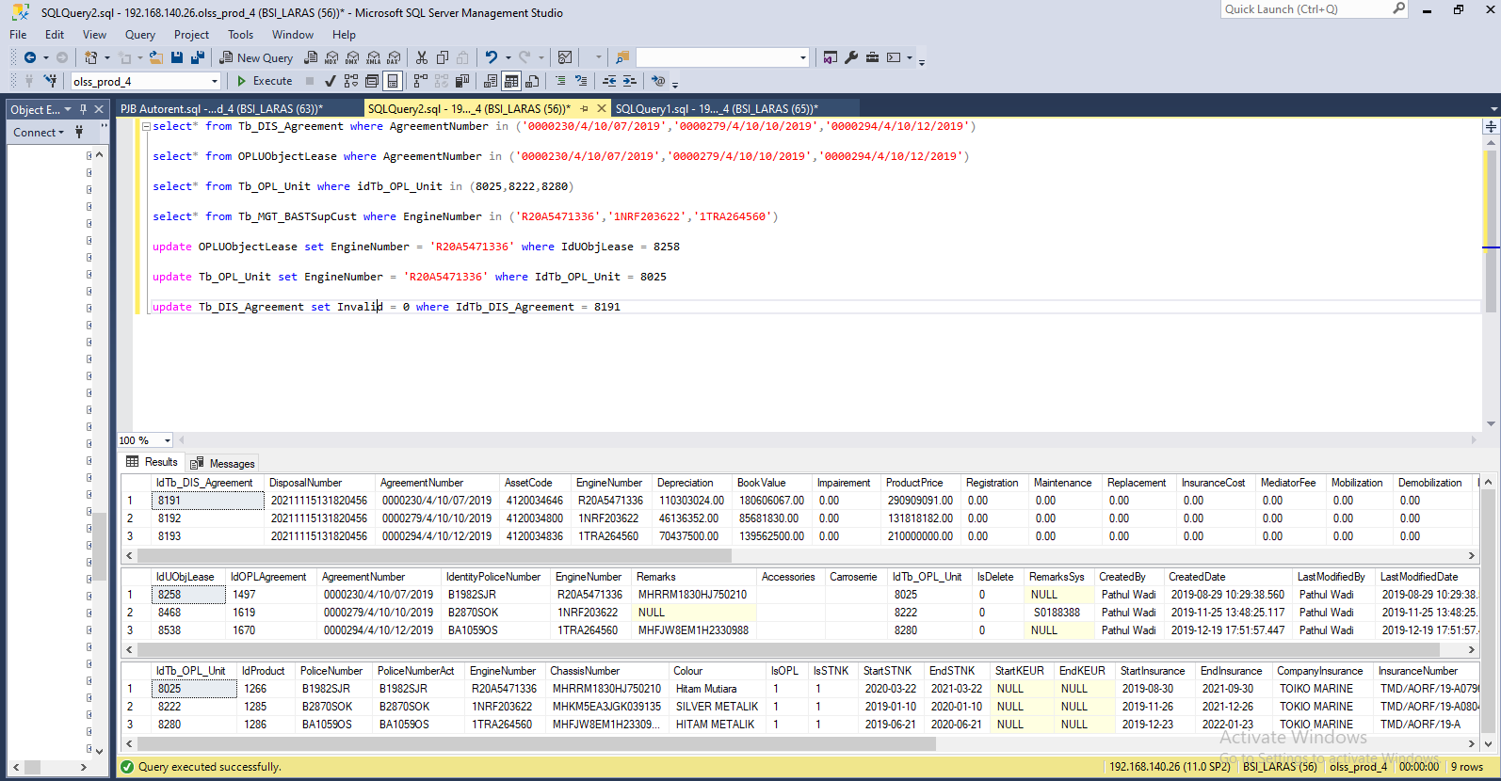
update OPLUObjectLease set EngineNumber = 'R20A5471336' where IdUObjLease = 8258

update Tb_OPL_Unit set EngineNumber = 'R20A5471336' where IdTb_OPL_Unit = 8025

update Tb_DIS_Agreement set Invalid = 0 where IdTb_DIS_Agreement = 8191

